BondCode
 | Bond
 | Key 1 | BondCode
 | Key 2 | ISIN, BondCode, BankCode
 | Key 3 | IssuerCode, BondCode
 |  |  |  |  |  |  |  |  |  |  |  | (From Web "bondsupermart")
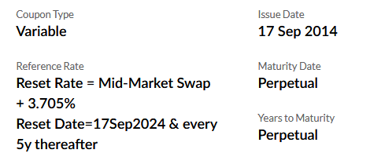
# | Field | Type | Length | Label (description) | Values | Remarks | Comment:
1 | BondCode | char | 20 | Bond code |  | Extend length if needed (currently 20) | 1. Add fields
2 | ISIN | char | 12 | ISIN |  |  |  | Field | Type | Len
3 | Listed | char | 1 | Listed / Unlisted |  | L= Listed/ U=unlisted |  | ProjectCode | EditButton | 20
4 | GuarantorName | char | 100 | Guarantor name |  |  |  | CUSIP | Text | 9
5 | GuarantorChineseName | char | 100 | Guarantor name (CHN) |  |  |  | IndustrySubCode | EditButton | 20
6 | CUSIP | char | 9 | CUSIP |  |  |  | GICSector | Text | 20
7 | CountryCode | char | 10 | Country code |  |  |  | GICSubSector | Text | 20 | Found in WWSA
8 | BankCode | char | 10 | Bank code |  |  |  | CouponRateRef | Text | 50 | For variable bond
9 | Broker | char | 20 | Broker |  |  |  | Broker | Text | 20 | Found in WWSA
10 | CompanyCode | char | 10 | Company code |  | Using FlexAcc company, not system company profile |  | CallDetail | Text | 100 | Replace call date & redeemvalue
11 | ClassCode | char | 10 | Class code |  |  |  | AccBrokerPay | Text | 15 | Used in ICBC
12 | GroupCode | char | 15 | Group code |  |  |  | AccBrokerRecieve | Text | 15 | Used in ICBC
13 | ProjectCode | char | 20 | Project code |  | Shall no use; keep it |  | AccPremium | Text | 15 | Used in ICBC
14 | RatingS | char | 10 | Rating (S&P) |  |  |  | AccDiscount | Text | 15 | Used in ICBC
15 | RatingM | char | 10 | Rating (Moody's) |  |  |  | AccIntAmort | Text | 15 | Used in ICBC
16 | RatingF | char | 10 | Rating (Fitch)
17 | IndustryCode | char | 20 | Industry code |  |  | 2. Remove fields
18 | IndustrySubCode | char | 20 | Industry sub code |  |  |  | CallDate
19 | GICSector | char | 20 | GICS Sector |  |  |  | RedempValue | Can be in schedule: http://greenhornfinancefootnote.blogspot.com/2014/12/call-price-of-callable-bonds.html
20 | GICSubSector | char | 20 | GICS sub sector |  |  |  | AccSetCode | Useless
21 | CcyCode | char | 3 | Currency
22 | IssuerCode | char | 20 | Issuer code |  |  | 3. Modify
23 | IssuerGrpCode | char | 20 | Issuer group code |  |  |  | DaycountMethod | 4 methods> 0: 30/360, 1: Act/Act, 2: Act/360, 3: Act/365F
24 | IssuerCountryCode | char | 10 | Issuer country |  |  |  | Remarks | Len to 400
25 | IssueDate | date | 8,0 | Issue date |  |  |  | CouponType | labels: Fixed, Variable, Zero
26 | Callable | char | 1 | Callable | Y/N | Calculation of yield to call at bond purchase entry |  | IsPerpetual | Rename to Perpetual
27 | CallDetail | char | 100 | Call details
28 | MaturityDate | date | 8,0 | Maturity date
29 | Perpetual | char | 1 | Perpetual | Y/N | Option for perpetual bond, if yes, maturity date --> 31/12/2099 and locked
30 | CouponType | char | 1 | Coupon type | F,V,Z | Fixed, variale, zero
31 | CouponFreq | char | 2 | Coupon freq. | 1,2,4 | 1: Annually, 2: Semi-annually, 4: quarterly
32 | CouponRate | num | 3.5 | Coupon rate |  | For fixed bond only. If floating coupon --> rate entered in schedule table BondBdy from time to time
33 | CouponRateRef | char | 50 | Coupon rate ref.
34 | DaycountMethod | char | 1 | Int. method | 0,1,2 | Support 4 methods> 0: 30/360, 1: Act/Act, 2: Act/360, 3: Act/365F
35 | ShiftDayCount | char | 1 | Shift settle date
36 | AccBank | char | 15 | Bank
37 | AccInvestST | char | 15 | Short term investment
38 | AccInvestLT | char | 15 | Long term investment
39 | AccInt | char | 15 | Interest income
40 | AccGainLoss | char | 15 | Realised gain/(loss)
41 | AccImpair | char | 15 | Impairment
42 | AccReserves | char | 15 | Reserves
43 | AccBrokerPay | char | 15 | Broker payable |  | hide, show if needed
44 | AccBrokerRecieve | char | 15 | Broker recieveable |  | hide, show if needed
45 | AccPremium | char | 15 | Premium |  | hide, show if needed
46 | AccDiscount | char | 15 | Discount |  | hide, show if needed
47 | AccIntAmort | char | 15 | Int. amort. |  | hide, show if needed
48 | Remarks | char | 400 | Remarks
49 | ConfirmDate | date | 8,0 | Date |  | Not for process, but control purpose (e.g. filled last purchase entry date, cannot be deleted if relevant purchase exists)

 | BondBdy | (for entering custom coupon period)
 | Key | BondCode, Line

# | Field | Type | Length | Label (description) | Values | Remarks
 | BondCode | char | 20
 | Line | num | 4.0
 | StartDate | date | 8,0 |  |  | Coupon interest start date
 | EndDate | date | 8,0 |  |  | Coupon interest end date
 | Days | num | 5.0 |  |  | Hide
 | CouponRate | num | 3.5

Screen
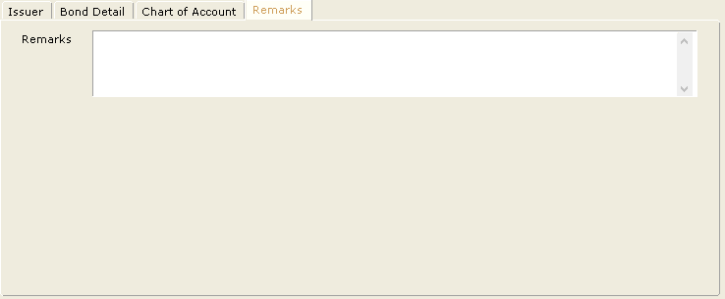
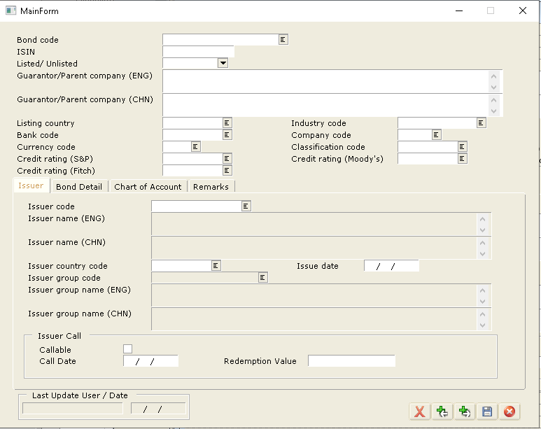
Main screen
 |  |  |  |  |  |  |  | Comment:
 | BondCode |  |  |  |  |  |  | Render the fields in group of
 | ISIN |  |  |  | CcyCode |  |  | > bond text info itself; user added info
 | Listed |  |  |  | CountryCode |  |  | > bond calc info
 |  |  |  |  |  |  |  | > V13 account info
 | TAB\Info, Issuer, Detail, Accounting, Others
 | TAB\Info
 | GuarantorName
 | GuarantorChineseName
 | CUSIP |  |  |  | ClassCode
 | RatingS |  |  |  | RatingM |  | RatingF
 | BankCode |  |  |  | Broker
 | ProjectCode |  |  |  | IndustryCode |  | IndustrySubCode
 | GICSector |  |  |  | GICSubSector

 | TAB\Issuer
 | IssuerCode
 | IssuerName
 | IssuerChineseName
 | IssuerCountryCode |  |  |  | IssueDate
 | IssuerGroupCode
 | Callable
 | CallDetail

Tab Bond Detail
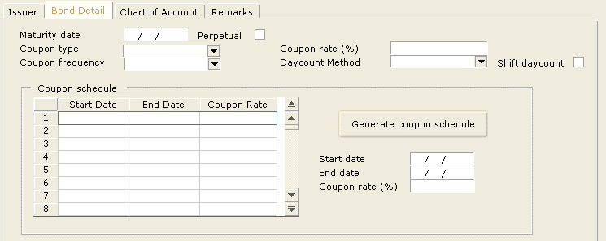
 | TAB\Detail
 | MaturityDate |  |  |  | Perpetual
 | CouponFreq |  |  |  | DaycountMethod |  | ShiftDaycount
 | CouponType |  |  |  | CouponRate
 | CouponRateRef
 | DisplayGrid/BondCouponSchedule
 |  | StartDate | EndDate | CouponRate |  | Button\GenCouponSchedule
 |  |  |  |  |  | StartDate
 |  |  |  |  |  | EndDate
 |  |  |  |  |  | CouponRate

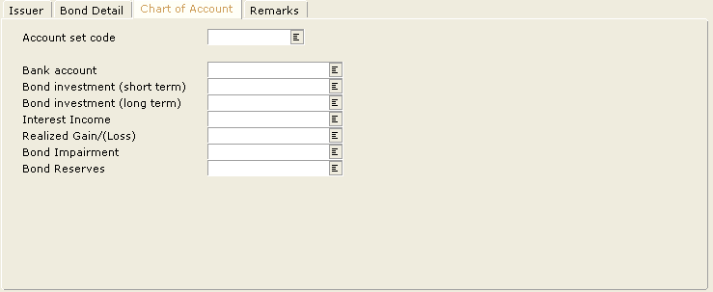
Tab Chart of Account
 | TAB\Accounting
 | FlexAccVersion |  | V13 |  |  |  |  | Enable only if it uses V13
 | CompanyCode |  |  |  | Company name |  |  | ** Now assume connected to V13
 | AccBank
 | AccInvestST
 | AccInvestLT
 | AccInt
 | AccImpair
 | AccReserves
 | AccGainLoss

Tab Remarks

